Reference
refer#1
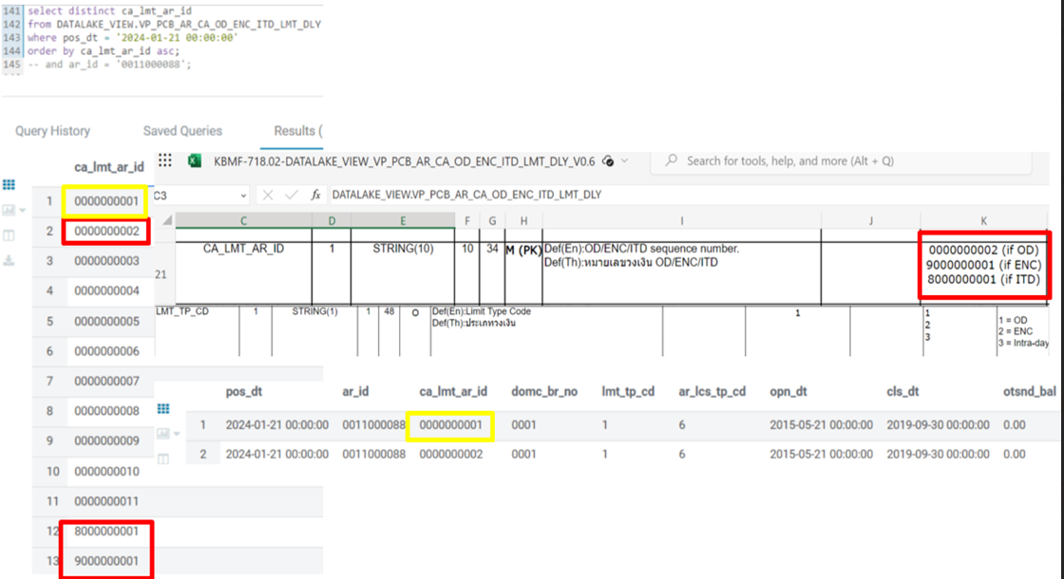

refer#2
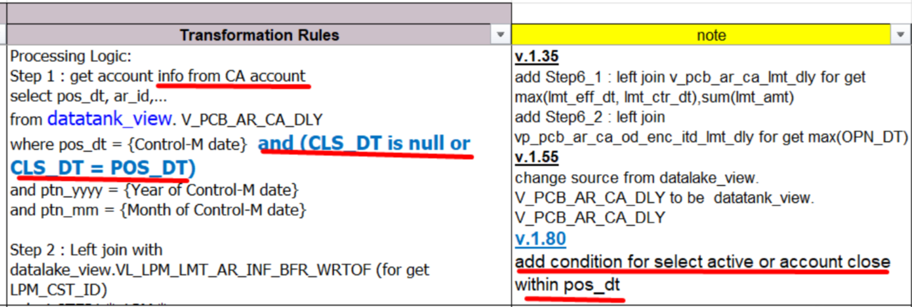
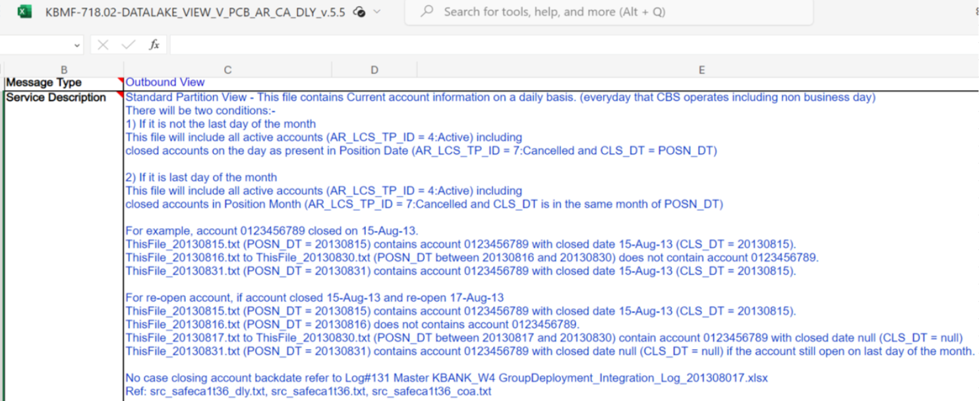

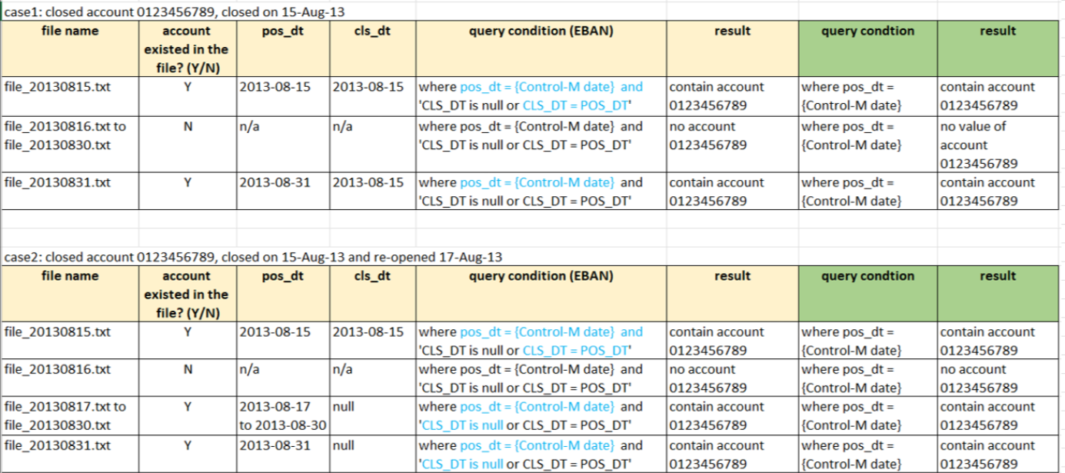

refer#3
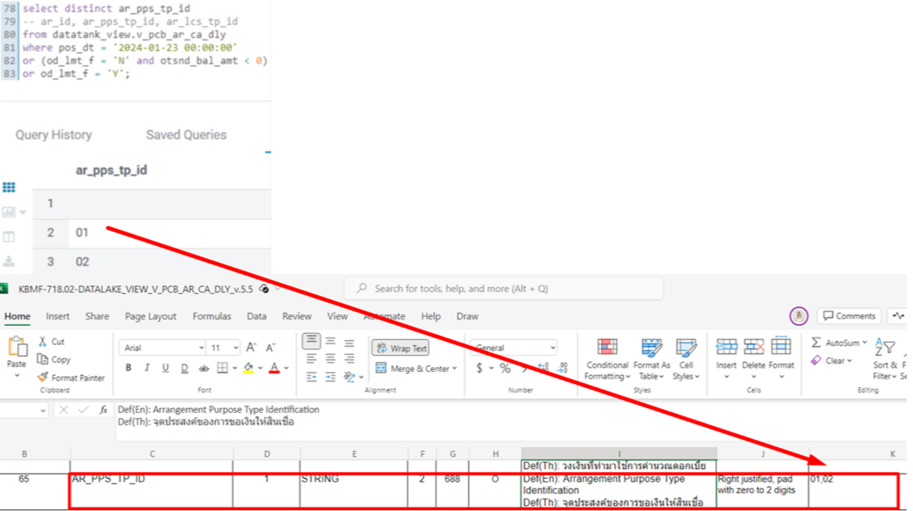

refer#4
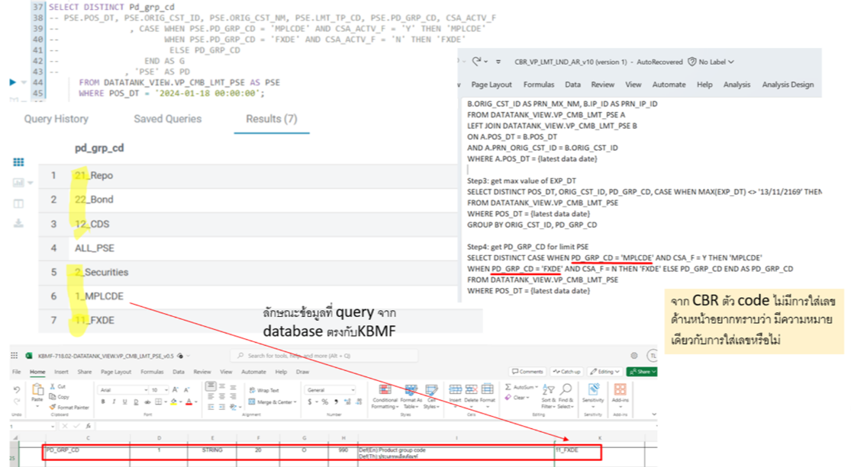

refer#5
limit level |  |  |  | account level

level | MAT_DT | CLS_DT
account | null | cls_dt
limit | if lmt_tp_cd = '1' then lmt_end_dt else cls_dt | null

refer#6
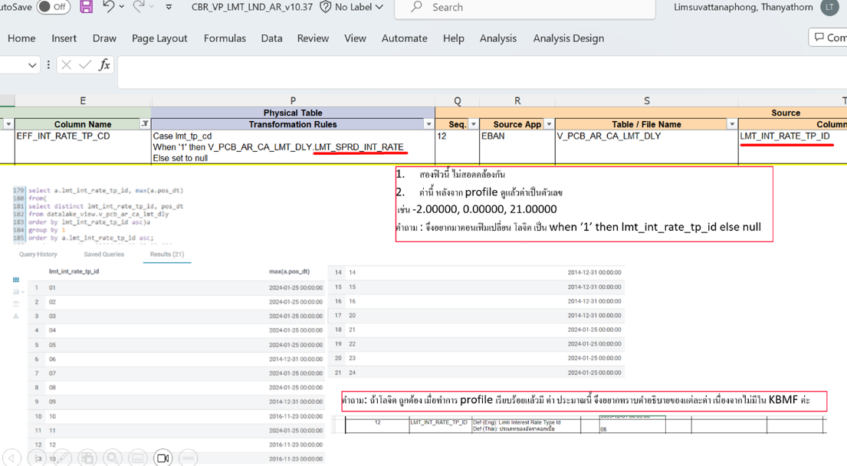

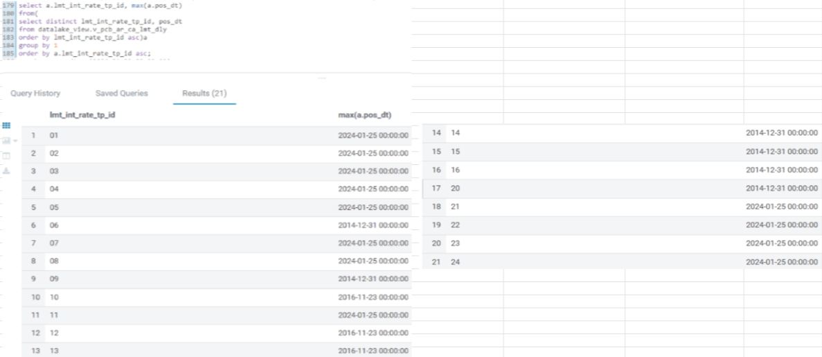

refer#7
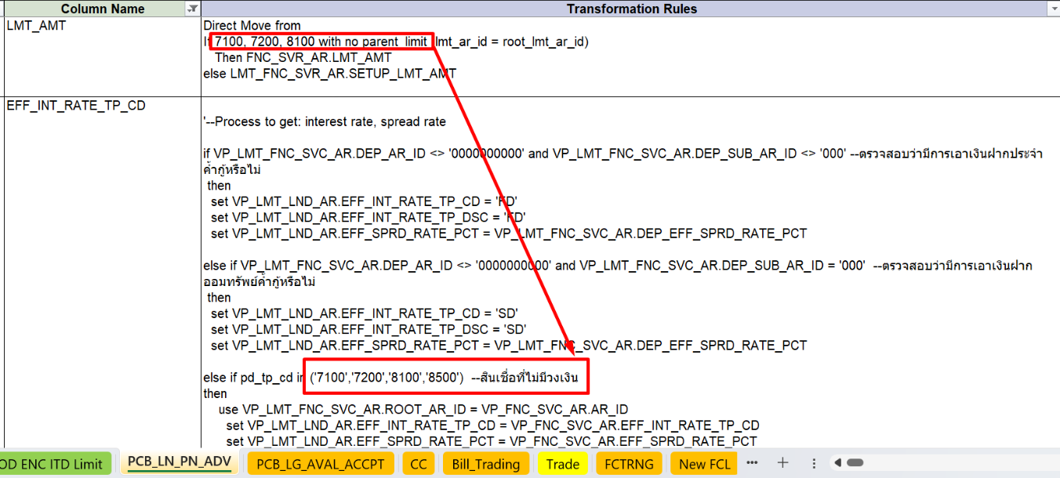

refer#8
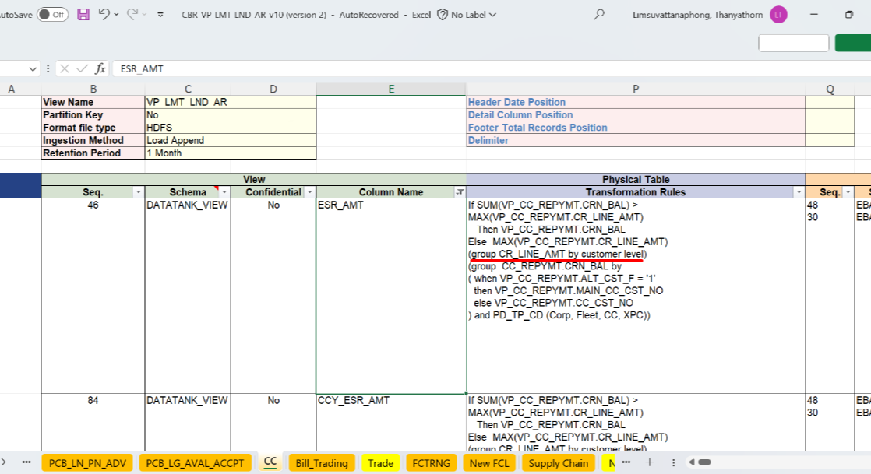

refer#9
 | logic refer to CBR_VP_LN_AR_ST_v5.0
product | EBAN's logic | Propose logic
cc | case when datatank.p_clc_ar_st.lmt_lvl_ind = 0 then datalake.vp_lpm_ln_card_clss_prvn.olmt_amt when datatank.p_clc_ar_st.lmt_lvl_ind = 1 then 0.00 else 0.00 end | direct move olmt_due_amt from datalake_view.V_CC_CARD
deposit | case when datatank.p_clc_ar_st.lmt_lvl_ind = 0 then datalake.vp_lpm_ln_card_clss_prvn.olmt_amt when datatank.p_clc_ar_st.lmt_lvl_ind = 1 then 0.00 else 0.00 end | direct move olmt_cr_amt from datalake_view.V_PCB_AR_CA_DLY
Trade Na Trade GTS Murex Lending Factoring | case when datatank.p_clc_ar_st.lmt_lvl_ind = 0 then datalake.vp_lpm_ln_card_clss_prvn.olmt_amt when datatank.p_clc_ar_st.lmt_lvl_ind = 1 then 0.00 else 0.00 end | N/A due to source CLC out of scope

refer#10
product | source | transformation logic | pic#1
Lending | EBAN's logic refer to CBR_VP_LN_AR_ST_v5.0 | N/A
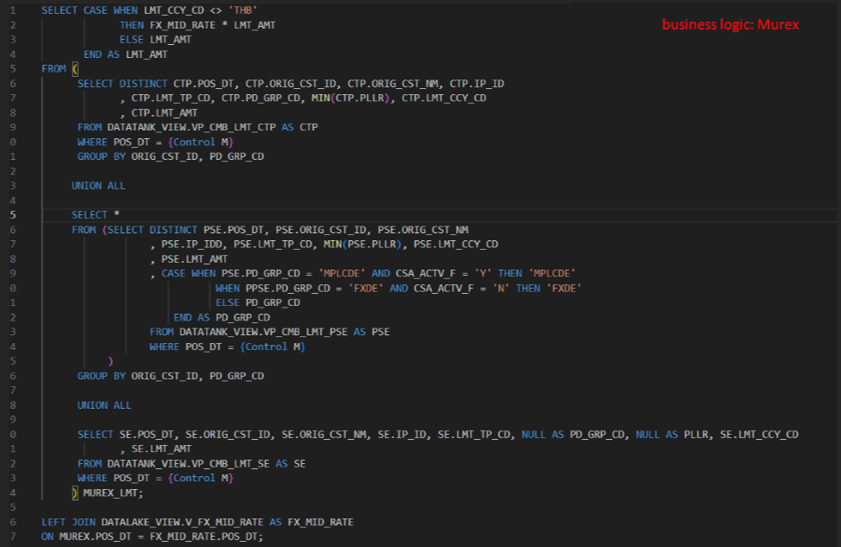
 | Propose logic: derive value from datatank_view.VP_LMT_FNC_SVC_AR | direct move ESR_AMT
Murex | EBAN's logic refer to CBR_VP_LN_AR_ST_v5.0 | N/A
 | Propose logic: business logic datatank_view.VP_CMB_LMT_PSE datatank_view.VP_CMB_LMT_CTP datatank_view.VP_CMB_LMT_SE datalake_view.V_FX_MID_RATE | business logic refers to pic#1
deposit | EBAN's logic refer to CBR_VP_LN_AR_ST_v5.0 | N/A
 | Propose logic: derive value from datalake_view.VP_PCB_AR_CA_OD_ENC_ITD_LMT_DLY | direct move CRN_LMT_AMT
factoring | EBAN's logic refer to CBR_VP_LN_AR_ST_v5.0 | N/A
 | Propose logic: derive value from datalake_view.VP_FCTRNG_LMT_AR | direct move ESR_AMT
cc | EBAN's logic refer to CBR_VP_LN_AR_ST_v5.0 | direct move ESR_AMT from datalake_view.VP_LPM_LN_CARD_CLSS_PRVN
 | Propose logic: - | -
trade Na | EBAN's logic refer to CBR_VP_LN_AR_ST_v5.0 | N/A
 | Propose logic: Trade Navigator derive value from datalake.VP_LMT_ALCT_TDG_AC_AR ------ Supply Chain: derive value from datalake.P_LPM_LMT_INF_BFR_WRTOF, datalake.VP_SCF_LMT_AR_INF, and set to 0.00 | Trade Navigator: direct move LMT_AMT ------- Supply Chain: direct move LMT_AMT, set 0.00
trade GTS (new trade) | EBAN's logic refer to CBR_VP_LN_AR_ST_v5.0 | N/A
 | Propose logic: derive value from datalake.VP_LMT_ALCT_TDG_AC_AR | direct move LMT_AMT

